Sheet2
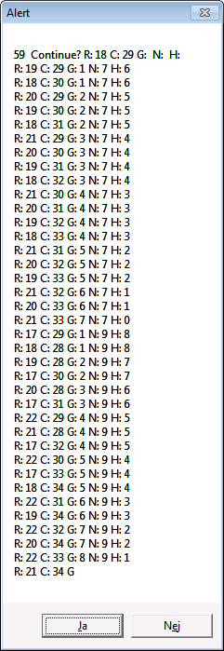
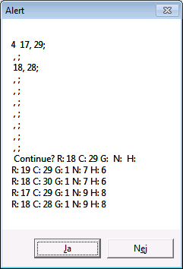
 | 27 | 28 | 29 | 30 | 31 | 32 | 33 | 34 | 35 | 36
15
16
17 |  |  | 9 | 9
18 |  | 9 | S | 7 | 7 | 7 | 7
19 |  | 9 | 7 | 7 | 7 | 7 | 7
20 |  |  | 7 | 7 | 7 | 7 | 7
21 |  |  | 7 | 7 | 7 | 7 | E
22
23

