Sheet1 (2)
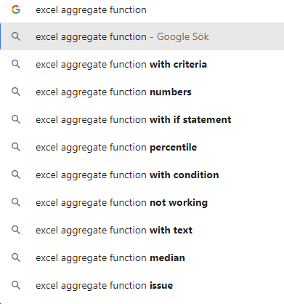
Values | AGGREGATE
5 | 6
#DIV/0!
6
3
#VALUE!

