Example
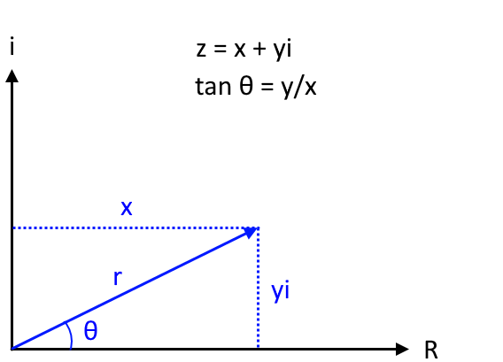
Complex value | IMARGUMENT function
2+3i | 0.98279372325

Complex plane
0 | 0
2 | 3
0 | 3.6055512755
0.93318533818 | 3.482695095
1.8027756377 | 3.1224989992
2.5495097568 | 2.5495097568
3.1224989992 | 1.8027756377
3.482695095 | 0.93318533818
3.6055512755 | 2.2086677871E-16
3.482695095 | -0.93318533818
3.1224989992 | -1.8027756377
2.5495097568 | -2.5495097568
1.8027756377 | -3.1224989992
0.93318533818 | -3.482695095
4.4173355742E-16 | -3.6055512755
-0.93318533818 | -3.482695095
-1.8027756377 | -3.1224989992
-2.5495097568 | -2.5495097568
-3.1224989992 | -1.8027756377
-3.482695095 | -0.93318533818
-3.6055512755 | -6.6260033613E-16
-3.482695095 | 0.93318533818
-3.1224989992 | 1.8027756377
-2.5495097568 | 2.5495097568
-1.8027756377 | 3.1224989992
-0.93318533818 | 3.482695095
-8.8346711485E-16 | 3.6055512755

Chart
Argand diagram
0 | 3
2 | 3
2 | 0
2 | 3
0 | 0
2 | 3
0 | 3.6055512755
0.93318533818 | 3.482695095
1.8027756377 | 3.1224989992
2.5495097568 | 2.5495097568
3.1224989992 | 1.8027756377
3.482695095 | 0.93318533818
3.6055512755 | 2.2086677871E-16
3.482695095 | -0.93318533818
3.1224989992 | -1.8027756377
2.5495097568 | -2.5495097568
1.8027756377 | -3.1224989992
0.93318533818 | -3.482695095
4.4173355742E-16 | -3.6055512755
-0.93318533818 | -3.482695095
-1.8027756377 | -3.1224989992
-2.5495097568 | -2.5495097568
-3.1224989992 | -1.8027756377
-3.482695095 | -0.93318533818
-3.6055512755 | -6.6260033613E-16
-3.482695095 | 0.93318533818
-3.1224989992 | 1.8027756377
-2.5495097568 | 2.5495097568
-1.8027756377 | 3.1224989992
-0.93318533818 | 3.482695095
-8.8346711485E-16 | 3.6055512755

 | Complex number | Real | Imaginary
 |  | 0 | 3
 | Vertical line | 2 | 3

 |  | 2 | 0
 | Horizontal line | 2 | 3

 |  | 0 | 0
C1 | 2+3i | 2 | 3 | 3.6055512755

 | θ: 56.3° | 0 | 3.6055512755
 |  | 0.93318533818 | 3.482695095
 |  | 1.8027756377 | 3.1224989992
 |  | 2.5495097568 | 2.5495097568
 |  | 3.1224989992 | 1.8027756377
 |  | 3.482695095 | 0.93318533818
 |  | 3.6055512755 | 2.2086677871E-16
 |  | 3.482695095 | -0.93318533818
 |  | 3.1224989992 | -1.8027756377
 |  | 2.5495097568 | -2.5495097568
 |  | 1.8027756377 | -3.1224989992
 |  | 0.93318533818 | -3.482695095
 |  | 4.4173355742E-16 | -3.6055512755
 |  | -0.93318533818 | -3.482695095
 |  | -1.8027756377 | -3.1224989992
 |  | -2.5495097568 | -2.5495097568
 |  | -3.1224989992 | -1.8027756377
 |  | -3.482695095 | -0.93318533818
 |  | -3.6055512755 | -6.6260033613E-16
 |  | -3.482695095 | 0.93318533818
 |  | -3.1224989992 | 1.8027756377
 |  | -2.5495097568 | 2.5495097568
 |  | -1.8027756377 | 3.1224989992
 |  | -0.93318533818 | 3.482695095
 |  | -8.8346711485E-16 | 3.6055512755

