IMEXP function
Complex plane
0 | 0
2 | 1
0 | 0
3.9923240484 | 6.2176763124
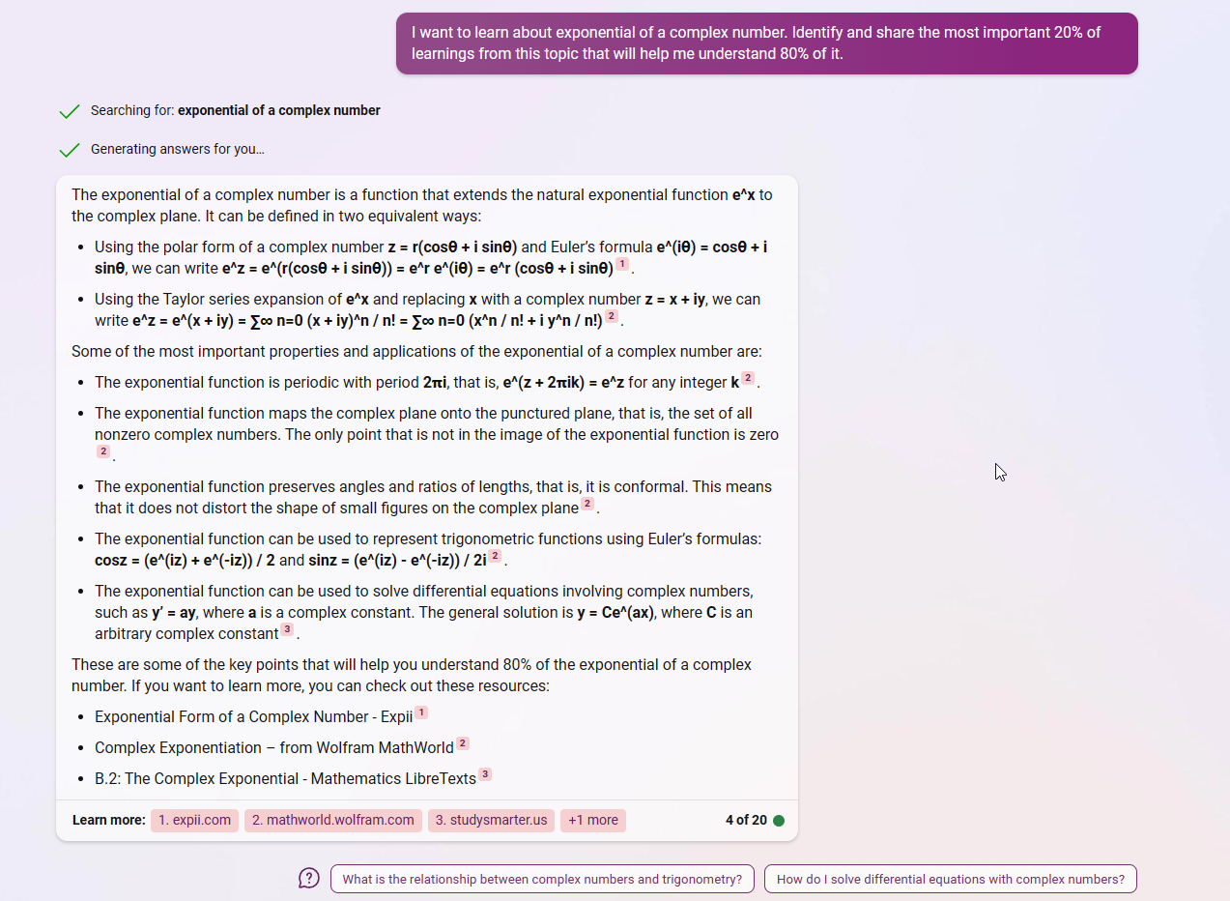

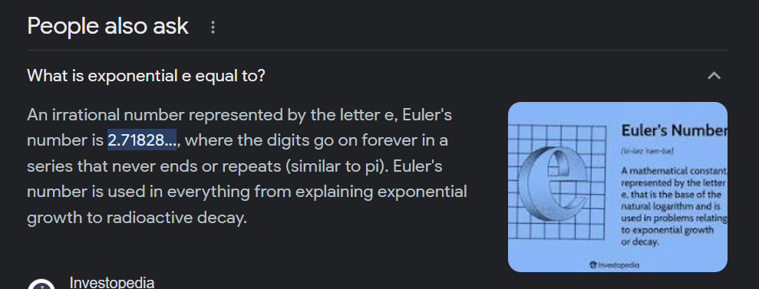

Complex number | Real | Imaginary
 | 0 | 0
2+i | 2 | 1 | 2+i

 | 0 | 0
3.99232404844127+6.21767631236797i | 3.9923240484 | 6.2176763124 | 3.992+6.218i

2+i
3.99232404844127+6.21767631236797i
IMEXP(C) = e(x+yi) = exeyi = ex(cos y + isin y)

7.3890560989 | 0.54030230587 | 3.9923240484
 | 0.84147098481 | 6.2176763124 |  | 45

 |  |  |  | 1.0397207708

 |  |  | 45


x | yi | IMEXP(x+yi) | Real | Imaginary
0 | 0 | 1 | 1 | 0
0 | 0.7853981634 | 0.707106781186548+0.707106781186547i | 0.70710678119 | 0.70710678119
0 | 1.5707963268 | -3.49145625605507E-15+i | -3.4914562561E-15 | 1
0 | 2.3561944902 | -0.707106781186544+0.707106781186551i | -0.70710678119 | 0.70710678119
0 | 3.1415926536 | -1+3.2311393144413E-15i | -1 | 3.2311393144E-15
0 | 3.926990817 | -0.707106781186549-0.707106781186546i | -0.70710678119 | -0.70710678119
0 | 4.7123889804 | -1.83772268236293E-16-i | -1.8377226824E-16 | -1
0 | 5.4977871438 | 0.707106781186549-0.707106781186546i | 0.70710678119 | -0.70710678119
0 | 6.2831853072 | 1+3.30768398781878E-15i | 1 | 3.3076839878E-15
0 | 7.0685834706 | 0.707106781186551+0.707106781186544i | 0.70710678119 | 0.70710678119
0 | 7.853981634 | 2.97082237282753E-15+i | 2.9708223728E-15 | 1
0 | 8.6393797974 | -0.707106781186547+0.707106781186548i | -0.70710678119 | 0.70710678119
0 | 9.4247779608 | -1+3.67544536472586E-16i | -1 | 3.6754453647E-16
0 | 10.210176124 | -0.707106781186567-0.707106781186528i | -0.70710678119 | -0.70710678119
0 | 10.995574288 | 2.44401937923855E-14-i | 2.4440193792E-14 | -1
0 | 11.780972451 | 0.70710678118653-0.707106781186565i | 0.70710678119 | -0.70710678119

Formula
IMABS(z)= |z| =$15$

Argand - e
Complex plane
0 | 0
2 | 1
0 | 0
3.9923240484 | 6.2176763124

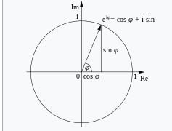

Complex number | Real | Imaginary
 | 0 | 0
2+i | 2 | 1 | 2+i

 | 0 | 0
3.99232404844127+6.21767631236797i | 3.9923240484 | 6.2176763124 | 3.992+6.218i

 |  |  | -1+3.2311393144413E-15i

Chart
Argand diagram
0.70710678119 | 0 | 0 | 0 | 0 | 0 | 0 | 0 | 0
0.70710678119 | 0.70710678119 | 0.70710678119 | 0.70710678119 | 0.70710678119 | 0.70710678119 | 0.70710678119 | 0.70710678119 | 0.70710678119
0 | 0 | 0 | 0 | 0 | 0 | 0 | 0 | 0
0.70710678119 | 0.70710678119 | 0.70710678119 | 0.70710678119 | 0.70710678119 | 0.70710678119 | 0.70710678119 | 0.70710678119 | 0.70710678119
0 | 1 | 1 | 1 | 1 | 1 | 1 | 1 | 1
0.2588190451 | 0.96592582629 | 0.96592582629 | 0.96592582629 | 0.96592582629 | 0.96592582629 | 0.96592582629 | 0.96592582629 | 0.96592582629
0.5 | 0.86602540378 | 0.86602540378 | 0.86602540378 | 0.86602540378 | 0.86602540378 | 0.86602540378 | 0.86602540378 | 0.86602540378
0.70710678119 | 0.70710678119 | 0.70710678119 | 0.70710678119 | 0.70710678119 | 0.70710678119 | 0.70710678119 | 0.70710678119 | 0.70710678119
0.86602540378 | 0.5 | 0.5 | 0.5 | 0.5 | 0.5 | 0.5 | 0.5 | 0.5
0.96592582629 | 0.2588190451 | 0.2588190451 | 0.2588190451 | 0.2588190451 | 0.2588190451 | 0.2588190451 | 0.2588190451 | 0.2588190451
1 | 6.1257422745E-17 | 6.1257422745E-17 | 6.1257422745E-17 | 6.1257422745E-17 | 6.1257422745E-17 | 6.1257422745E-17 | 6.1257422745E-17 | 6.1257422745E-17
0.96592582629 | -0.2588190451 | -0.2588190451 | -0.2588190451 | -0.2588190451 | -0.2588190451 | -0.2588190451 | -0.2588190451 | -0.2588190451
0.86602540378 | -0.5 | -0.5 | -0.5 | -0.5 | -0.5 | -0.5 | -0.5 | -0.5
0.70710678119 | -0.70710678119 | -0.70710678119 | -0.70710678119 | -0.70710678119 | -0.70710678119 | -0.70710678119 | -0.70710678119 | -0.70710678119
0.5 | -0.86602540378 | -0.86602540378 | -0.86602540378 | -0.86602540378 | -0.86602540378 | -0.86602540378 | -0.86602540378 | -0.86602540378
0.2588190451 | -0.96592582629 | -0.96592582629 | -0.96592582629 | -0.96592582629 | -0.96592582629 | -0.96592582629 | -0.96592582629 | -0.96592582629
1.2251484549E-16 | -1 | -1 | -1 | -1 | -1 | -1 | -1 | -1
-0.2588190451 | -0.96592582629 | -0.96592582629 | -0.96592582629 | -0.96592582629 | -0.96592582629 | -0.96592582629 | -0.96592582629 | -0.96592582629
-0.5 | -0.86602540378 | -0.86602540378 | -0.86602540378 | -0.86602540378 | -0.86602540378 | -0.86602540378 | -0.86602540378 | -0.86602540378
-0.70710678119 | -0.70710678119 | -0.70710678119 | -0.70710678119 | -0.70710678119 | -0.70710678119 | -0.70710678119 | -0.70710678119 | -0.70710678119
-0.86602540378 | -0.5 | -0.5 | -0.5 | -0.5 | -0.5 | -0.5 | -0.5 | -0.5
-0.96592582629 | -0.2588190451 | -0.2588190451 | -0.2588190451 | -0.2588190451 | -0.2588190451 | -0.2588190451 | -0.2588190451 | -0.2588190451
-1 | -1.8377226824E-16 | -1.8377226824E-16 | -1.8377226824E-16 | -1.8377226824E-16 | -1.8377226824E-16 | -1.8377226824E-16 | -1.8377226824E-16 | -1.8377226824E-16
-0.96592582629 | 0.2588190451 | 0.2588190451 | 0.2588190451 | 0.2588190451 | 0.2588190451 | 0.2588190451 | 0.2588190451 | 0.2588190451
-0.86602540378 | 0.5 | 0.5 | 0.5 | 0.5 | 0.5 | 0.5 | 0.5 | 0.5
-0.70710678119 | 0.70710678119 | 0.70710678119 | 0.70710678119 | 0.70710678119 | 0.70710678119 | 0.70710678119 | 0.70710678119 | 0.70710678119
-0.5 | 0.86602540378 | 0.86602540378 | 0.86602540378 | 0.86602540378 | 0.86602540378 | 0.86602540378 | 0.86602540378 | 0.86602540378
-0.2588190451 | 0.96592582629 | 0.96592582629 | 0.96592582629 | 0.96592582629 | 0.96592582629 | 0.96592582629 | 0.96592582629 | 0.96592582629
-2.4502969098E-16 | 1 | 1 | 1 | 1 | 1 | 1 | 1 | 1

i
e^{iθ} = cos θ + i sin θ

sin θ
θ
cos θ
1
0

 | Complex number | Real | Imaginary

 | Vertical line

 |  | 0.70710678119 | 0 |  | Φϕ
 | Horizontal line | 0.70710678119 | 0.70710678119

 |  | 0 | 0
C1 | 0.707106781186548+0.707106781186548i | 0.70710678119 | 0.70710678119 | 1

 | θ: 45° | 0 | 1
 |  | 0.2588190451 | 0.96592582629
 |  | 0.5 | 0.86602540378
 |  | 0.70710678119 | 0.70710678119
 |  | 0.86602540378 | 0.5
 |  | 0.96592582629 | 0.2588190451
 |  | 1 | 6.1257422745E-17
 |  | 0.96592582629 | -0.2588190451
 |  | 0.86602540378 | -0.5
 |  | 0.70710678119 | -0.70710678119
 |  | 0.5 | -0.86602540378
 |  | 0.2588190451 | -0.96592582629
 |  | 1.2251484549E-16 | -1
 |  | -0.2588190451 | -0.96592582629
 |  | -0.5 | -0.86602540378
 |  | -0.70710678119 | -0.70710678119
 |  | -0.86602540378 | -0.5
 |  | -0.96592582629 | -0.2588190451
 |  | -1 | -1.8377226824E-16
 |  | -0.96592582629 | 0.2588190451
 |  | -0.86602540378 | 0.5
 |  | -0.70710678119 | 0.70710678119
 |  | -0.5 | 0.86602540378
 |  | -0.2588190451 | 0.96592582629
 |  | -2.4502969098E-16 | 1

Wave
IMEXP(x+yi)

x | yi | IMEXP(x+yi) | Real | Imaginary |  | 45
0 | 0 | 1 | 1 | 0
0 | 0.7853981634 | 0.707106781186548+0.707106781186547i | 0.70710678119 | 0.70710678119
0 | 1.5707963268 | -3.49145625605507E-15+i | -3.4914562561E-15 | 1 | 1/2π
0 | 2.3561944902 | -0.707106781186544+0.707106781186551i | -0.70710678119 | 0.70710678119
0 | 3.1415926536 | -1+3.2311393144413E-15i | -1 | 3.2311393144E-15 | π
0 | 3.926990817 | -0.707106781186549-0.707106781186546i | -0.70710678119 | -0.70710678119
0 | 4.7123889804 | -1.83772268236293E-16-i | -1.8377226824E-16 | -1 | 3/2π
0 | 5.4977871438 | 0.707106781186549-0.707106781186546i | 0.70710678119 | -0.70710678119
0 | 6.2831853072 | 1+3.30768398781878E-15i | 1 | 3.3076839878E-15 | 2π
0 | 7.0685834706 | 0.707106781186551+0.707106781186544i | 0.70710678119 | 0.70710678119
0 | 7.853981634 | 2.97082237282753E-15+i | 2.9708223728E-15 | 1 | 5/2π
0 | 8.6393797974 | -0.707106781186547+0.707106781186548i | -0.70710678119 | 0.70710678119
0 | 9.4247779608 | -1+3.67544536472586E-16i | -1 | 3.6754453647E-16 | 3π
0 | 10.210176124 | -0.707106781186567-0.707106781186528i | -0.70710678119 | -0.70710678119
0 | 10.995574288 | 2.44401937923855E-14-i | 2.4440193792E-14 | -1 | 7/2π
0 | 11.780972451 | 0.70710678118653-0.707106781186565i | 0.70710678119 | -0.70710678119

