IMLN function
Complex plane
0 | 0
2 | 2
0 | 0
1.0397207708 | 0.7853981634

Complex number | Real | Imaginary
 | 0 | 0
2+2i | 2 | 2 | 2+2i

 | 0 | 0
1.03972077083992+0.785398163397448i | 1.0397207708 | 0.7853981634 | 1.04+0.785i

IMLN function error
Complex plane
0 | 0
0 | 0
0 | 0
0 | 0

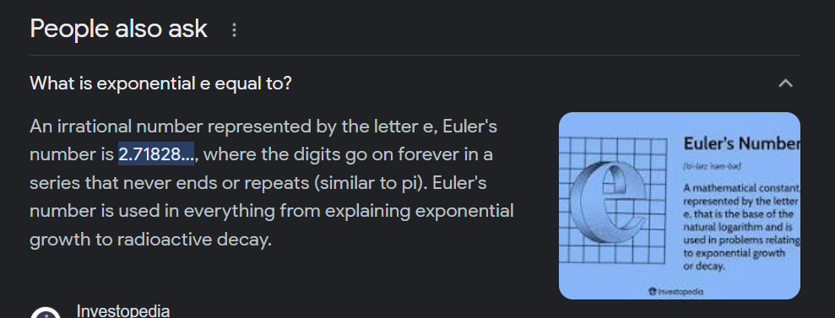

Complex number | Real | Imaginary
 | 0 | 0
0 | 0 | 0 | 0

 | 0 | 0
#NUM! | #NUM! | #NUM! | #NUM!

IMLN function (2)
Complex plane
0 | 0
2 | 2
0 | 0
2 | 2

Complex number | Real | Imaginary
 | 0 | 0
2+2i | 2 | 2 | 2+2i

 | 0 | 0
2+2i | 2 | 2 | 2+2i

