IMLOG10 function
Complex plane
0 | 0
5 | 5
0 | 0
0.84948500217 | 0.34109408846

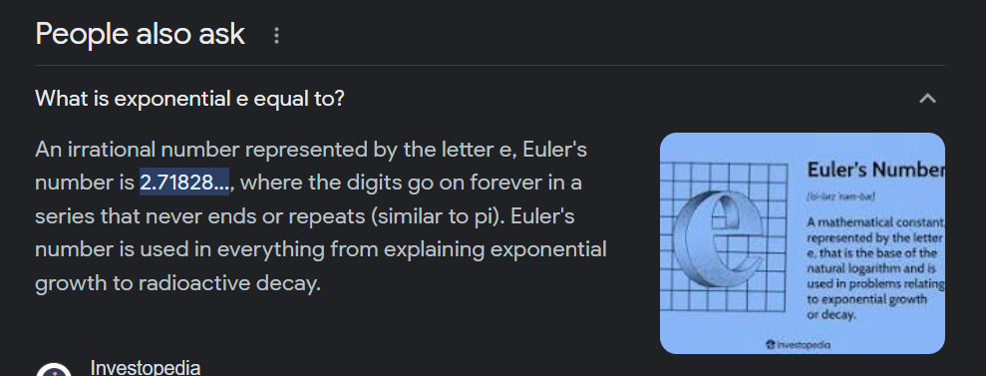

Complex number | Real | Imaginary
 | 0 | 0
5+5i | 5 | 5 | 5+5i

 | 0 | 0
0.849485002168009+0.34109408846046i | 0.84948500217 | 0.34109408846 | 0.849+0.341i

 | -2

