IMLOG2 function
Complex plane
0 | 0
5 | 5
0 | 0
2.8219280949 | 1.1330900355

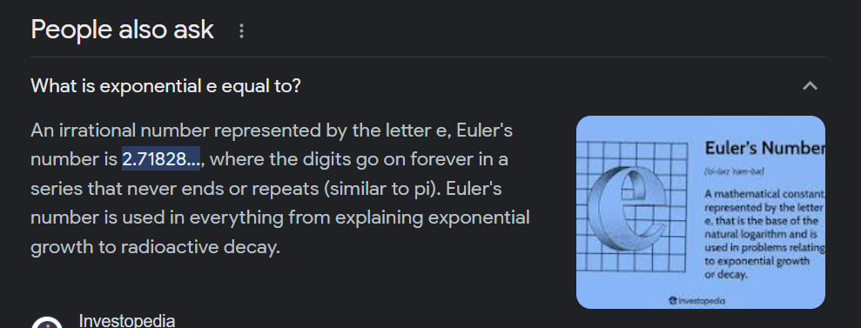

Complex number | Real | Imaginary
 | 0 | 0
5+5i | 5 | 5 | 5+5i

 | 0 | 0
2.82192809488736+1.1330900354568i | 2.8219280949 | 1.1330900355 | 2.822+1.133i

 | -2

