IMSIN function
Complex plane
0 | 0
2 | 2
0 | 0
3.4209548611 | -1.5093064853

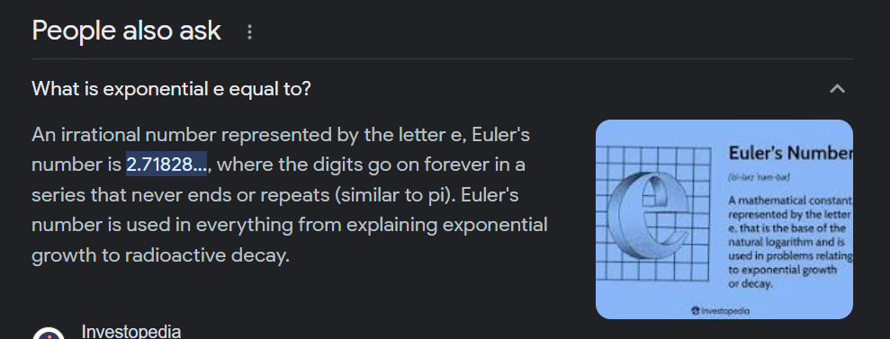

Complex number | Real | Imaginary
 | 0 | 0
2+2i | 2 | 2 | 2+2i

 | 0 | 0
3.42095486111701-1.50930648532362i | 3.4209548611 | -1.5093064853 | 3.421-1.509i

 | -2

